Organisations
Organisation | Type | Partners (formal and informal) |  |  |  |  |  |  |  |  |  |  |  |  |  |  | About | Established
 |  | IIGCC | Ceres | AIGCC | IGCC | PAII | CDP | PRI | NZAMI | NZICI | IA | NZAOA | Climate Action 100+ | GFANZ | UNEP-FI | UNFCCC Race to Zero Campaign | .
PAII: Paris Aligned Investment Initiative | Initiative |  |  |  |  | N/A |  |  |  |  |  |  |  |  |  |  | Collaborative investor-led global forum enabling investors to align their portfolios and activities to the goals of the Paris Agreement. Main work: -Providing methodologies and approaches for the alignment of two additional asset classes (infrastructure and private equity); -Incorporating recommendations relating to alignment with the adaptation and resilience goals of the Paris Agreement; and -Addressing analytical and data gaps, including investment trajectories to guide target setting for climate solutions,assessment of scope 3 emissions, and use offsetting. | 2019
IIGCC: The Insititutional Investors Group on Climate Change | Network | N/A |  |  |  |  |  |  |  |  |  |  |  |  |  |  | IIGCC works with business, policy makers and fellow investors to help define the investment practices, policies and corporate behaviours required to address climate change. | 2021
AIGCC: Asia Investor Group on Climate Change | Network |  |  | N/A |  |  |  |  |  |  |  |  |  |  |  |  | Initiative to create awareness and encourage action among Asia's asset owners and financial institutions about the risks and opportunities associated with climate change and net zero investing. | 2016
Ceres | Network |  | N/A |  |  |  |  |  |  |  |  |  |  |  |  |  | Non-profit advocacy organisation. Work with members to advance sustainable investment practices, engage with corporate leaders, and advocate for key policy and regulatory solutions to accelerate the transition to a just, sustainable, net zero emissions economy. | 1989
IGCC: Investor Group on Climate Change | Network |  |  |  | N/A |  |  |  |  |  |  |  |  |  |  |  | IGCC is a collaboration of Australian and New Zealand investors focusing on the impact that climate change has on the financial value of investments. IGCC aims to encourage government policies and investment practices that address the risks and opportunities of climate change, for the ultimate benefit of superannuants and unit holders. | 2009
NZAMI: The Net Zero Asset Managers Initiative | Initiative |  |  |  |  |  |  |  | N/A |  |  |  |  |  |  |  | An international group of asset managers committed to supporting the goal of net zero greenhouse gas emissions by 2050 or sooner, in line with global efforts to limit warming to 1.5 degrees Celsius; and to supporting investing aligned with net zero emissions by 2050 or sooner. | 2020
NZICI: Net Zero Investment Consultants Initiative | Initiative |  |  |  |  |  |  |  |  | N/A |  |  |  |  |  |  | A global group of investment consulting firms committed to supporting the goal of global net zero greenhouse gas emissions by 2050 or sooner, in line with the ambition to limit the global average temperature increase to 1.5°C above pre- industrial levels. | 2021
PRI: Principles for Responsible Investment | Organisation |  |  |  |  |  |  | N/A |  |  |  |  |  |  |  |  | A United Nations-supported international network of investors working together to implement its six aspirational principles, often referenced as "the Principles". | 2005
CDP: Climate Disclosure | Organisation |  |  |  |  |  | N/A |  |  |  |  |  |  |  |  |  | The project runs a global environmental disclosure system that allows companies, cities, states, regions and investors to report their environmental impact. | 2000
IA: Investor Agenda | Network |  |  |  |  |  |  |  |  |  | N/A |  |  |  |  |  | An alliance of seven global and regional investor groups that provides a platform for investors to show their support for the Paris Agreement. It provides investors with a set of actions they can take, covering investment, engagement, disclosure and policy advocacy, and counts 1,200 investors as signatories. | ?
UNEP-FI | Organisation |  |  |  |  |  |  |  |  |  |  |  |  |  | N/A |  | A global partnership established between the United Nations Environment Program and the financial sector. UNEP FI catalyses action across the financial system to align economies with sustainable development | 1992
UNFCCC Race to Zero | Campaign |  |  |  |  |  |  |  |  |  |  |  |  |  |  | N/A | UN-backed global campaign rallying non-state actors – including companies, cities, regions, financial and educational institutions – to take rigorous and immediate action to halve global emissions by 2030 and deliver a healthier, fairer zero carbon world in time. | 1994
NZAOA: Net-Zero Asset Owner Alliance | Initiative |  |  |  |  |  |  |  |  |  |  | N/A |  |  |  |  | An international group of 74 institutional investors with US$10.6 trillion in assets under management, delivering on a bold commitment to transition investment portfolios to net-zero greenhouse gas emissions by 2050. | 2021
Climate Action 100+ | Initiative |  |  |  |  |  |  |  |  |  |  |  | N/A |  |  |  | Climate Action 100+ is an investor-led initiative to ensure the world’s largest corporate greenhouse gas emitters take necessary action on climate change. | 2017
GFANZ: Glasgow Financial Alliance for Net Zero | Initiative |  |  |  |  |  |  |  |  |  |  |  |  | N/A |  |  | Glasgow Financial Alliance for Net Zero (GFANZ) is a coalition of leading financial institutions committed to accelerating the net-zero transition. | 2021

ShareAction: Investor Decarbonisation Initiative | Organisation |  |  |  |  |  |  |  |  |  |  |  |  |  |  |  | ShareAction’s campaign group aims to catalyse corporate climate action. It works in partnership with initiatives led by CDP and The Climate Group and is supported by We Mean Business. | 2005
SBTi: Science Based Targets Initiative | Tool |  |  |  |  |  |  |  |  |  |  |  |  |  |  |  | A partnership between CDP, the UN Global Compact, the World Resources Institute and the World Wide Fund for Nature. It has, thus far, mostly focused on non-financial corporates, helping companies set emissions targets that are in line with holding global warming to well below 2°C above pre-industrial levels. | 2015
EU taxonomy | Regulation |  |  |  |  |  |  |  |  |  |  |  |  |  |  |  | The EU taxonomy for sustainable activities is an output of the European Commission’s action plan on financing sustainable growth, published in March 2018. | 2020
TCFD: Task-force on Climate-related Financial Disclosures | Tool |  |  |  |  |  |  |  |  |  |  |  |  |  |  |  | The G20’s Financial Stability Board set up the Task Force on Climate-related Financial Disclosures (TCFD) in 2015 to help identify the information needed by investors, lenders and insurers to appropriately assess and price climate risk and opportunity. | 2015
Transition Pathway Initiative | Organisation |  |  |  |  |  |  |  |  |  |  |  |  |  |  |  | The Transition Pathway Initiative Global Climate Transition Centre (TPI Centre) is an independent, authoritative source of research and data into the progress being made by the financial and corporate world in making the transition to a low-carbon economy. | 2022

Other:
NZFSPA: Net Zero Financial Service Providers Alliance | Initiative |  |  |  |  |  |  |  |  |  |  |  |  |  |  |  | A global group of Financial Service Providers committed to supporting the goal of global net zero greenhouse gas emissions by 2050 or sooner, in line with the ambition to limit the global temperature increase to 1.5°C above pre-industrial levels. | 2021
NZIA: Net-Zero Insurance Alliance | Initiative |  |  |  |  |  |  |  |  |  |  |  |  |  |  |  | The UN-convened Net-Zero Insurance Alliance (NZIA) is a group of 29 leading insurers representing more than 14% of world premium volume globally. | 2019
NZBA: Net-Zero Banking Alliance | Initiative |  |  |  |  |  |  |  |  |  |  |  |  |  |  |  | UN-convened Net-Zero Banking Alliance brings together a global group of banks, currently representing about 40% of global banking assets, which are committed to aligning their lending and investment portfolios with net-zero emissions by 2050. | 2021
The Powering Past Coal Alliance | Initiative |  |  |  |  |  |  |  |  |  |  |  |  |  |  |  | A coalition of national and sub-national governments, businesses and organisations working to advance the transition from unabated coal power generation to clean energy. Its PPCA Declaration commits signatories to work towards phasing out coal-fired power plants in the OECD by 2030, and by 2050 in the rest of the world. | 2017
PCAF: Partnership for Carbon Accounting Financials | Tool |  |  |  |  |  |  |  |  |  |  |  |  |  |  |  | A global partnership of financial institutions that is developing a harmonised approach to assess and disclose carbon emissions associated with their loans and investments. | 2015
The Inevitable Policy Response | Campaign |  |  |  |  |  |  |  |  |  |  |  |  |  |  |  | A climate transition forecasting consortium commissoned by the PRI which aims to prepare institutional investors for the portfolio risks and opportunities with an acceleration of policy responses to climate change. | 2018

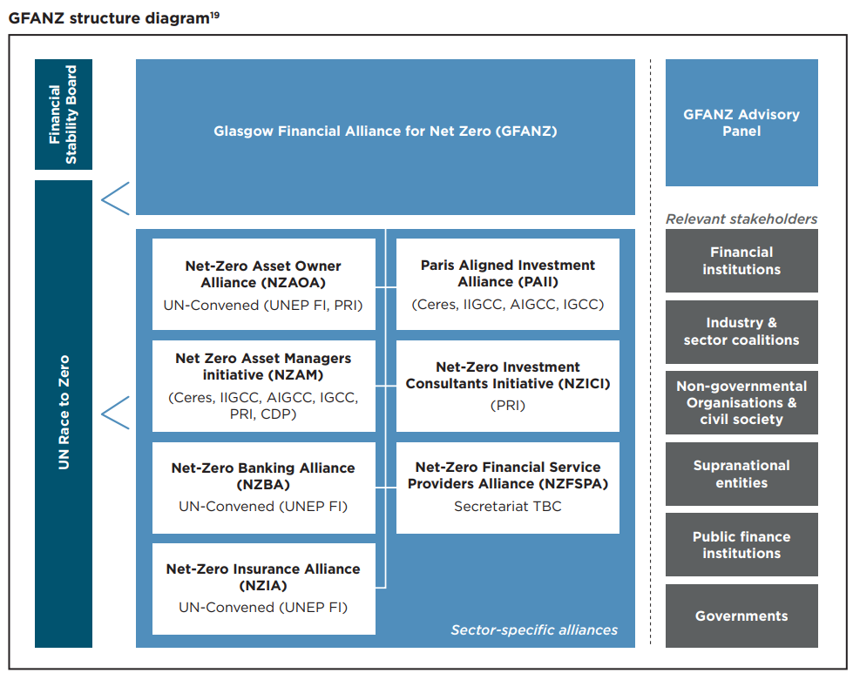

https://assets.bbhub.io/company/sites/63/2022/06/GFANZ_Towards-a-Global-Baseline-for-Net-Zero-Transition-Planning_June2022.pdf

